Final
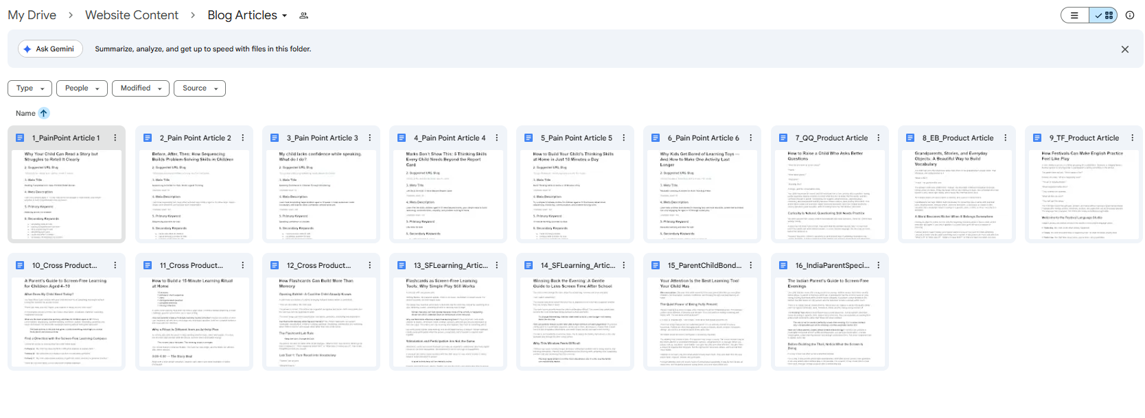
S No | Article Title | Primary Category | 2nd Category | 3rd Category | Link to Article | Remarks
1 | Why Your Child Can Read a Story But Struggles to Retell It Clearly | Reading & Comprehension | Storytelling & Sequencing | Language & Communication | https://docs.google.com/document/d/10gl9cf0OVAIUvw2X8qUDt5j4MPvo8MLkR2BAcRoKFCQ/edit?usp=drive_link
2 | Before, After, Then: The Hidden Thinking Skill Behind Problem Solving in Children | Thinking & Problem Solving | Storytelling & Sequencing | Reading & Comprehension | https://docs.google.com/document/d/17Zxv8nNfRCF4321sxlGhzASV1mbVvtlWpLLnXsXFcsM/edit?usp=drive_link
3 | My Child Lacks Confidence While Speaking | Language & Communication | Parent-Child Bonding | Play-Based Learning | https://docs.google.com/document/d/1y3xm_lx2XFTI1vaFefMU-Wksbbnt7pNUcZ2zusmetIo/edit?usp=drive_link
4 | Marks Don’t Show This: 5 Thinking Skills Every Child Needs Beyond the Report Card | Thinking & Problem Solving | Parent-Child Bonding | Language & Communication | https://docs.google.com/document/d/1GWA-7K-cMH78LraVKdoPze3a6B-NEbFxrAD_tUz0Mo4/edit?usp=drive_link
5 | How to Build Your Child’s Thinking Skills at Home in Just 10 Minutes a Day | Thinking & Problem Solving | Learning Routines | Parent-Child Bonding | https://docs.google.com/document/d/1SRkdbUv-uNcFz-FqQqJH70SBUtB7zhzhPrgIJ4srz2Q/edit?usp=drive_link | Featured Article
6 | Why Kids Get Bored of Learning Toys — And How to Make One Activity Last Longer | Play-Based Learning | Screen-Free Learning | Parent-Child Bonding | https://docs.google.com/document/d/1_rXpEB5c_IVuitqP3rVg1QSBtJ0jVBdEr-Q09FtVePI/edit?usp=drive_link
7 | How to Raise a Child Who Asks Better Questions | Thinking & Problem Solving | Language & Communication | Parent-Child Bonding | https://docs.google.com/document/d/1TNSxLUKBpDPBZfHYk4Md9unyjcdSBRPqXtpc8VoTMcA/edit?usp=drive_link
8 | Grandparents, Stories, and Everyday Objects: A Beautiful Way to Build Vocabulary | Language & Communication | Storytelling & Sequencing | Parent-Child Bonding | https://docs.google.com/document/d/1xtHe70W2eM26DzdTsNfdhnX-TxZXERKB4bd2S2WGlHQ/edit?usp=drive_link
9 | How Festivals Can Make English Practice Feel Like Play | Language & Communication | Play-Based Learning | Parent-Child Bonding | https://docs.google.com/document/d/1KKhdQMnG94WPgn0W6FIAOM0QuQwNL1UxsPbPIIcq58M/edit?usp=drive_link
10 | A Parent’s Guide to Screen-Free Learning for Children Aged 4–10 | Screen-Free Learning | Learning Routines | Parent-Child Bonding | https://docs.google.com/document/d/1-C6M3RKvutYYBDg8FO3wzCOVKH6_S3EKKFewc1KaYcM/edit?usp=drive_link
11 | How to Build a 15-Minute Learning Ritual at Home | Learning Routines | Parent-Child Bonding | Screen-Free Learning | https://docs.google.com/document/d/1IthdNMxGDIZpez93jMWIGffMVhbfexTdG42GLXeq4VA/edit?usp=drive_link
12 | How Flashcards Can Build More Than Memory | Thinking & Problem Solving | Play-Based Learning | Screen-Free Learning | https://docs.google.com/document/d/1ZOokLziua9QdPiZGHoU4eVaww8lGD7bK8h7LBIndFOA/edit?usp=drive_link
13 | Flashcards as Screen-Free Learning Tools: Why Simple Play Still Works | Screen-Free Learning | Play-Based Learning | Learning Routines | https://docs.google.com/document/d/1tTj7DUj_-wInpeY3IJUlrJrPBfk5XAZQyG2FBkd4M5E/edit?usp=drive_link
14 | Winning Back the Evening: A Gentle Guide to Less Screen Time After School | Screen-Free Learning | Learning Routines | Parent-Child Bonding | https://docs.google.com/document/d/1xVF4NoX8v3A3X2vQjCb-m5rigkxA5N8_3moJfcKHW2I/edit?usp=drive_link
15 | The Indian Parent’s Guide to Screen-Free Evenings | Screen-Free Learning | Learning Routines | Parent-Child Bonding | https://docs.google.com/document/d/1roxZhPJHnpnDGn47Z70Y7gIzjyRoTH5U2_wWT87gNG0/edit?usp=drive_link
16 | Your Attention Is the Best Learning Tool Your Child Has | Parent-Child Bonding | Language & Communication | Learning Routines | https://docs.google.com/document/d/1x0C8zS0-p2w0K58_qbZW4D-uthion65SDqNN_2aZNnU/edit?usp=drive_link

